yearly top ten
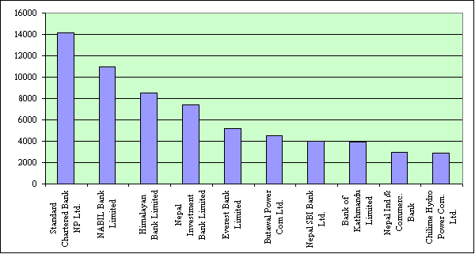
Nepal Stock Exchange Ltd.
List of Top Ten Companies
Fiscal Year 2062/063
(16 July 2005 to 16 July 2006)
 | S.N | Name of the Companies | Amount Traded
 |  |  | (Rs. In Million)
 | 1 | Bank of Kathmandu Ltd. | 562.21
 | 2 | Nepal Ind & Commerc. Bank | 275.81
 | 3 | Nepal Investment Bank Ltd. | 234.44
 | 4 | Kumari Bank Ltd. | 220.51
 | 5 | Standard Chartered Bank (NP) Ltd. | 218.26
 | 6 | Siddhartha Bank Ltd. | 181.44
 | 7 | NABIL Bank Ltd. | 165.21
 | 8 | Nepal SBI Bank Ltd. | 147.76
 | 9 | Machha Puchchhre Bank Ltd. | 144.9
 | 10 | Chilime Hydropower Com. Ltd. | 144.78
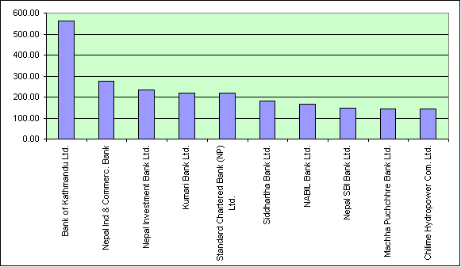

 |  | Name of the Companies | No Of Share
 |  |  | (Traded in '000)
 | 1 | NCM Mutual Fund | 2827
 | 2 | Bank of Kathmandu Ltd. | 929
 | 3 | Lumbini Bank Limited | 702
 | 4 | Nepal Ind. & Commerc. Bank Ltd. | 651
 | 5 | Kumari Bank Limited | 557
 | 6 | Siddhartha Bank Ltd. | 552
 | 7 | Chilime Hydropower Com. Ltd. | 457
 | 8 | Machha Puchchhre Bank Ltd. | 432
 | 9 | Soaltee Hotel Ltd. | 341
 | 10 | Laxmi Bank Ltd. | 308
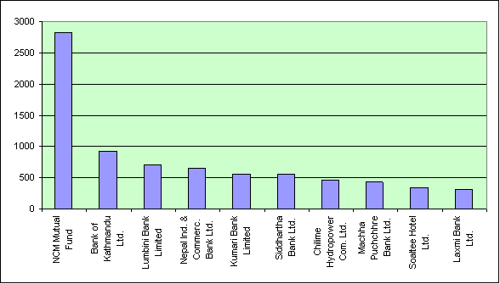

 |  | Name of the Companies | No of Transactions

 | 1 | Siddhartha Bank Ltd. | 10451
 | 2 | Birgunj Finance Ltd. | 10364
 | 3 | Lumbini Bank Ltd. | 7660
 | 4 | World Merchant Banking & Finance | 7449
 | 5 | Kumari Bank Ltd. | 5014
 | 6 | Bank of Kathmandu Limited | 3705
 | 7 | Cosmic Merchant & Bankin Fin. | 3345
 | 8 | Everest Finance Ltd. | 3051
 | 9 | Prudential Insurance Co. Ltd. | 2826
 | 10 | Capital Merchant Banking & Fin. | 2811

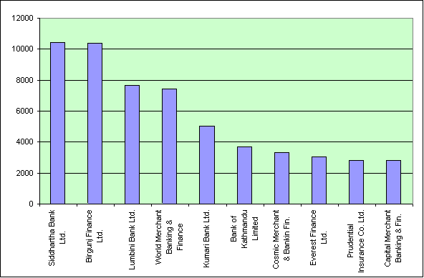

 |  | Name of the Companies | Capitalization
 |  |  | Rs. In Million
 | 1 | Standard Chartered Bank NP Ltd. | 14142.68
 | 2 | NABIL Bank Limited | 10998.29
 | 3 | Himalayan Bank Limited | 8494.2
 | 4 | Nepal Investment Bank Limited | 7441.38
 | 5 | Everest Bank Limited | 5212.62
 | 6 | Butawal Power Com Ltd. | 4530.91
 | 7 | Nepal SBI Bank Ltd. | 3964.56
 | 8 | Bank of Kathmandu Limited | 3940.44
 | 9 | Nepal Ind & Commerc. Bank | 2976
 | 10 | Chilime Hydro Power Com. Ltd. | 2918.4

